Sheet1
wPI | NAME | PHYSICAL | PHYSICAL | NAME | wPI
 | 3.3[V] | 1 | 2 | 5[V]
8 |  | 3 | 4 | 5[V]
9 | Left Trigger | 5 | 6 | 0[V]
7 | Left Echo | 7 | 8 | TxD | 15
 | 0[V] | 9 | 10 | RxD | 16
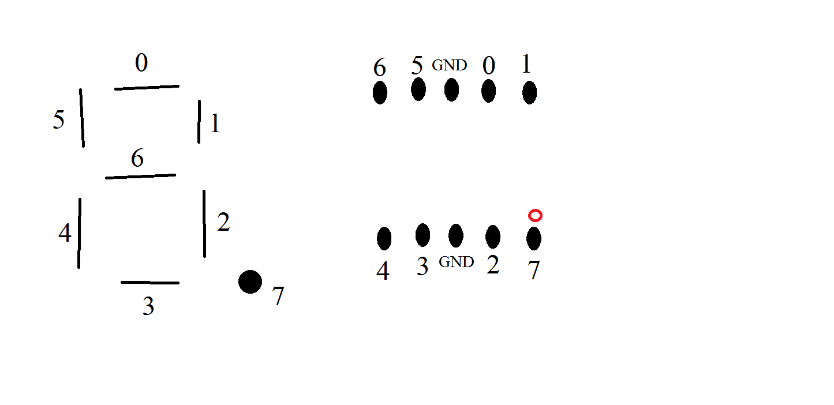
0 | Green LED | 11 | 12 | Red LED | 1
2 | 7-Seg Pin 6 | 13 | 14
3 | 7-Seg Pin 5 | 15 | 16 | 7-Seg Pin 0 | 4
 | 3.3[V] | 17 | 18 | 7-Seg Pin 1 | 5
12 | Mid Trigger | 19 | 20 | 0[V]
13 | Mid Echo | 21 | 22 | Right Trigger | 6
14 | ToReceive - Left | 23 | 24 | Right Echo | 10
 | 0[V] | 25 | 26 | 7-Seg Pin 4 | 11
30 | Switch L-Bit | 27 | 28 | 7-Seg Pin 3 | 31
21 | Switch H-Bit | 29 | 30 | 0[V]
22 | Green Start Button | 31 | 32 | ToReceive - Right | 26
23 | Blue Shutdown Button | 33 | 34
24 | White Reboot Button | 35 | 36 |  | 27
25 | Red Stop Button | 37 | 38 | 7-Seg Pin 2 | 28
 | 0[V] | 39 | 40 | 7-Seg Pin 7 | 29

